Jetson nano使用引脚
Instructions for Jetson nano pin
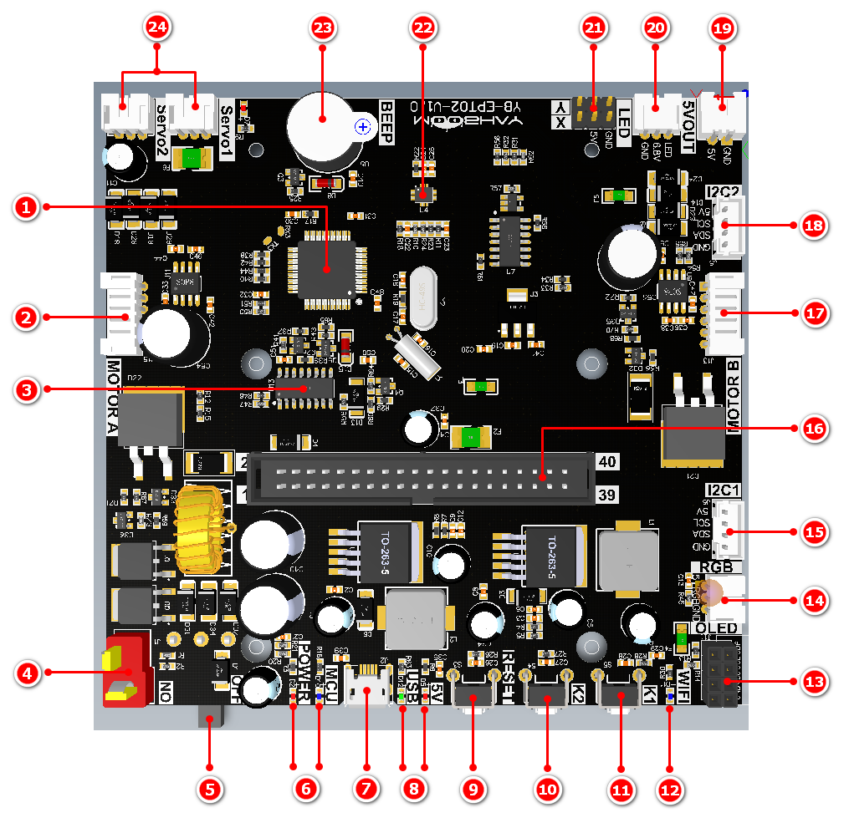
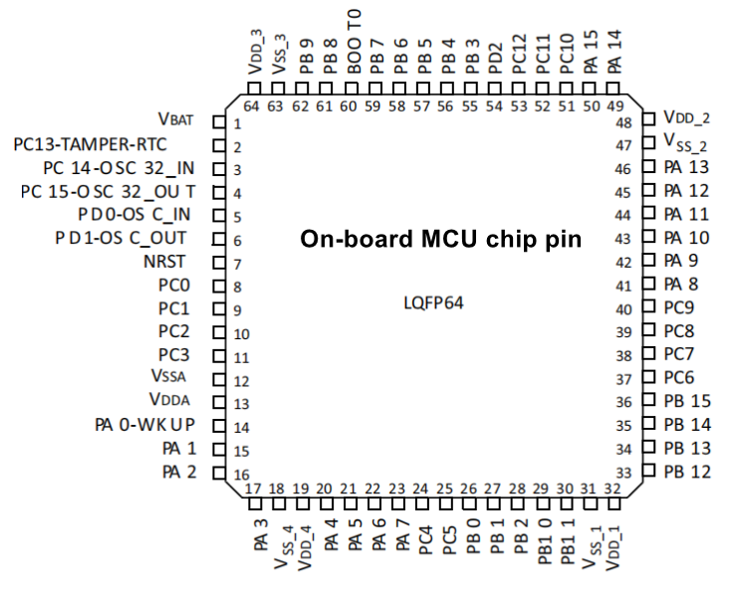
Function |  | Jetson nano pin BCM code | Jetson Nano Physical pin number pin | Remark
Power | DC5V_IN | No | 2、4
 | GND | No | 6、9、14、20、25、30、34、39
I2C | I2C_SDA | 2 | 3 | At the same time, the underlying hardware interfaces are connected in parallel, and the component numbers are: 13, 15, 18
 | I2C_SCL | 3 | 5
Serial port | USART1 TX | 14 | 8 | Communication between Jetson Nano and MCU
 | USART1 RX | 15 | 10
WIFI | WIFI button | 17 | 11 | Button 1, WIFI pairing, component number: 1
 | WIFI indicator light | 18 | 12 | The high level lights up, component number is: 12

Instructions for the IO port of the bottom MCU

Function |  | MCU physical pin number | MCU IO corresponding hardware component number | Remark
Serial communication1 | USART1 TX | 42 | 3 | JThe communication between jetson nano and the single-chip microcomputer is compatible and converted into USB communication at the same time.
 | USART1 RX | 43 | 3
Serial communication2 | USART2 TX | 16 | 24 | Control the robotic arm through the serial port servo control chip
 | USART2 RX | 17 | 24
I2C communication | I2C_SCL | 61 | 22 | Communicate with the gyroscope
 | I2C_SDA | 62 | 22
Motor A control signal | M1A | 38 | 2 | MCU control motor
 | M1B | 37 | 2
Motor B control signal | M2A | 40 | 17
 | M2B | 39 | 17
Motor A Hall Collection | H2A | 50 | 2 | MCU collects the Hall signal of motor A and motor B
 | H2B | 55 | 2
Motor B Hall Collection | H1A | 14 | 17
 | H1B | 15 | 17
RGB bar |  | 41 | 14
Search light |  | 9 | 20
buzzer |  | 8 | 23 | Active buzzer, high level sound
Button K1 |  | 57 | 11
Button K2 |  | 56 | 10
Button RESET |  | 7 | 9 | Press this key to reset the MCU

